Dala Sales & Deliveries
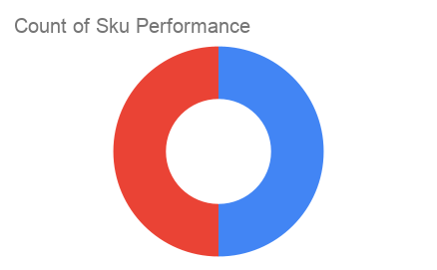
 | Total Invoices Delivered | 1.00 | Sku Performance | Units | Value
 | Unique Locations Supplied | 1.00 | 100g Cressolife Sweetened Cashew Nuts (24x) | 1.00 | 58,200.00
 | Total Value of orders | 58,200.00 | 1Ltrs Cressolife Palm Oil (12x) | 0.00 | 0.00
 |  |  |  | 0.00 | 0.00
 |  |  |  | 0.00 | 0.00
 |  |  |  | 0.00 | 0.00
 |  |  |  | 0.00 | 0.00
 |  |  |  | 0.00 | 0.00
 |  |  |  | 0.00 | 0.00
 |  |  |  | 0.00 | 0.00
 |  |  |  | 0.00 | 0.00
2025-04-11 |  |  |  | 0.00 | 0.00
 |  |  |  | 0.00 | 0.00

